Sampling distribution - final1
 | Population | number of elements
 | 1 | 1 |  | Population Mean | 3.5
 | 2 | 1 |  | Population Standard Deviation | 1.7078251277
 | 3 | 1
 | 4 | 1
 | 5 | 1
 | 6 | 1

 | Samples with n=2

 | First Pick | Second Pick | Sample Mean | Mean of sample means | 3.5
Sample 1 | 1 | 1 | 1 | Standard deviation of means | 1.2076147288 | 1.2076147288
Sample 2 | 1 | 2 | 1.5
Sample 3 | 1 | 3 | 2
Sample 4 | 1 | 4 | 2.5
Sample 5 | 1 | 5 | 3
Sample 6 | 1 | 6 | 3.5
Sample 7 | 2 | 1 | 1.5
Sample 8 | 2 | 2 | 2
Sample 9 | 2 | 3 | 2.5
Sample 10 | 2 | 4 | 3
Sample 11 | 2 | 5 | 3.5
Sample 12 | 2 | 6 | 4
Sample 13 | 3 | 1 | 2
Sample 14 | 3 | 2 | 2.5
Sample 15 | 3 | 3 | 3
Sample 16 | 3 | 4 | 3.5
Sample 17 | 3 | 5 | 4
Sample 18 | 3 | 6 | 4.5
Sample 19 | 4 | 1 | 2.5
Sample 20 | 4 | 2 | 3
Sample 21 | 4 | 3 | 3.5
Sample 22 | 4 | 4 | 4
Sample 23 | 4 | 5 | 4.5
Sample 24 | 4 | 6 | 5
Sample 25 | 5 | 1 | 3
Sample 26 | 5 | 2 | 3.5
Sample 27 | 5 | 3 | 4
Sample 28 | 5 | 4 | 4.5
Sample 29 | 5 | 5 | 5
Sample 30 | 5 | 6 | 5.5
Sample 31 | 6 | 1 | 3.5
Sample 32 | 6 | 2 | 4
Sample 33 | 6 | 3 | 4.5
Sample 34 | 6 | 4 | 5
Sample 35 | 6 | 5 | 5.5
Sample 36 | 6 | 6 | 6

Sampling distribution - final2
Row Labels | Count of Sample Mean
1 | 1
1.5 | 2
2 | 3
2.5 | 4
3 | 5
3.5 | 6
4 | 5
4.5 | 4
5 | 3
5.5 | 2
6 | 1
Grand Total | 36

Interval Estimation - initial
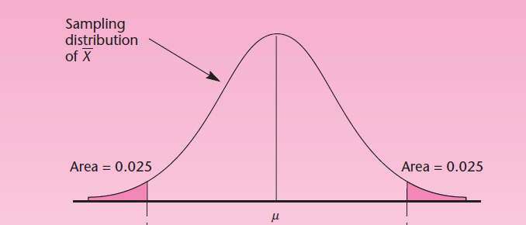
Household No. | Average Income | Vote for candidate A? | Interval Estimation for Average Income
1198 | 45,189.00 | Yes
19558 | 45,351.00 | Yes | Sample Mean | 55,285.72 | 55,285.72 | =AVERAGE(C3:C52)
2769 | 45,385.00 | NO
19346 | 45,598.00 | NO | Sample Std. Dev s | 6,069.37
8396 | 45,650.00 | NO | Std dev of Sample Means | s/(50)^0.5 |  | =H6/(50^0.5)
5376 | 45,680.00 | NO
19130 | 46,079.00 | NO | Confidence level | 95% | Alpha | (1-0.95) = 0.05
8967 | 47,000.00 | NO
14011 | 48,304.00 | Yes | Degrees of freedom | 49.00
1062 | 48,360.00 | NO
4815 | 48,485.00 | Yes | t value |  |  | =T.INV.2T(1-H9,H11)
13852 | 49,074.00 | NO
18483 | 49,082.00 | NO | Lower Boundary
4050 | 50,247.00 | Yes
7527 | 50,421.00 | Yes | Upper Boundary
16862 | 51,319.00 | Yes
16535 | 51,489.00 | Yes | Statement - We are 95% confident that the average household income for the population lies between 53560 and 57010
674 | 52,723.00 | Yes
19675 | 53,904.00 | Yes
8175 | 54,026.00 | Yes
17716 | 54,658.00 | NO
8228 | 55,378.00 | NO | Interval Estimation for proportions
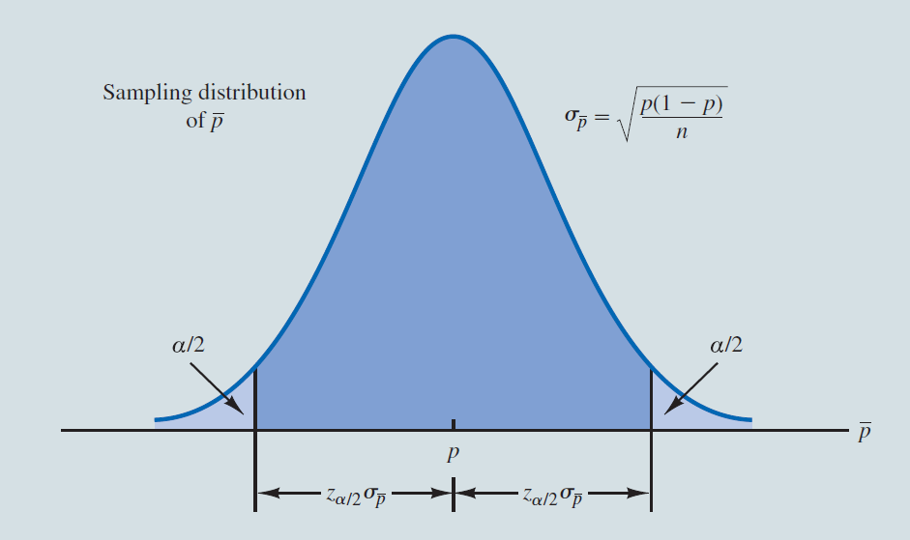
18643 | 56,178.00 | Yes
6476 | 56,895.00 | Yes | Sample proportion | 0.60
18080 | 57,057.00 | Yes
12012 | 57,311.00 | NO | Std dev of proportion | (p*(1-p)/n)^0.5 |  | =SQRT(H26*(1-H26)/50)
766 | 57,950.00 | Yes
15549 | 58,050.00 | Yes | Confidence level | 95%
10372 | 58,056.00 | Yes
18573 | 58,287.00 | Yes | alpha/2 | 0.025
399 | 58,361.00 | Yes
4830 | 58,565.00 | NO | z value |  |  | =NORM.S.INV(1-H32)
293 | 58,923.00 | NO
8096 | 58,942.00 | Yes | Lower Boundary
11362 | 59,148.00 | Yes
13044 | 60,240.00 | Yes | Upper Boundary
14961 | 60,469.00 | NO
11576 | 60,489.00 | NO | Statement - We are 95% confident that candidate A is going to get 46% to 74% of the votes
15873 | 60,660.00 | Yes
13919 | 60,782.00 | Yes
754 | 61,027.00 | Yes
5528 | 61,076.00 | Yes
17478 | 61,391.00 | NO
18181 | 62,190.00 | NO
19447 | 62,424.00 | Yes
12215 | 62,719.00 | Yes
4864 | 63,031.00 | Yes
6937 | 63,230.00 | Yes
2012 | 63,610.00 | NO
10511 | 63,823.00 | NO

